Daily Power Station Chart_14-01
Plant_04/07/2025Chart

Plant:odco1 |  |  | Installed Capacity:111.180kWp
Today Yield(kWh):596.300kWh |  | Today Earning:238520.000TND |  | Today Full Load Hours(h):5.36h

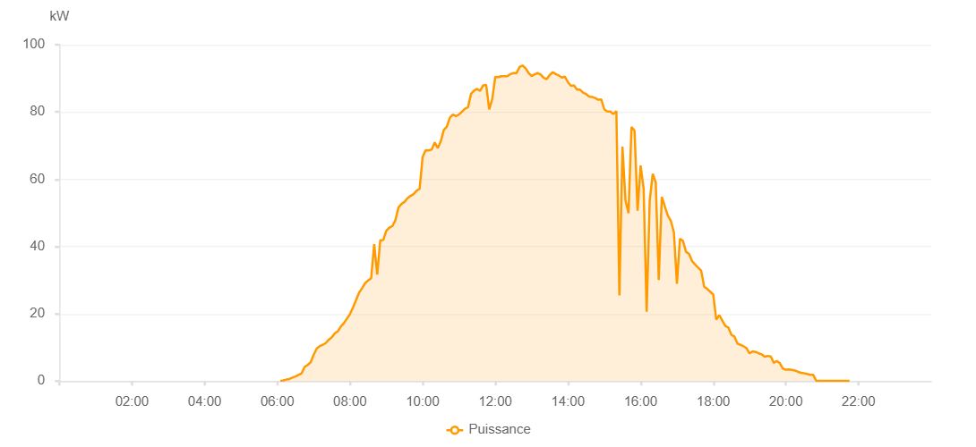

Number | Time | Working State | PV(W) | Instantaneous Radiation(W/㎡)
1 | 06:05:00 | Online | 30.00000 | 0
2 | 06:10:00 | Online | 190.00000 | 0
3 | 06:15:00 | Online | 440.00000 | 2.00000
4 | 06:20:00 | Online | 600.00000 | 3.00000
5 | 06:25:00 | Online | 1020.00000 | 8.00000
6 | 06:30:00 | Online | 1350.00000 | 12.00000
7 | 06:35:00 | Online | 1820.00000 | 17.00000
8 | 06:40:00 | Online | 2280.00000 | 24.00000
9 | 06:45:00 | Online | 4200.00000 | 34.00000
10 | 06:50:00 | Online | 4800.00000 | 46.00000
11 | 06:55:00 | Online | 5580.00000 | 59.00000
12 | 07:00:00 | Online | 7760.00000 | 75.00000
13 | 07:05:00 | Online | 9640.00000 | 93.00000
14 | 07:10:00 | Online | 10390.00000 | 110.00000
15 | 07:15:00 | Online | 10770.00000 | 120.00000
16 | 07:20:00 | Online | 11290.00000 | 128.00000
17 | 07:25:00 | Online | 12310.00000 | 138.00000
18 | 07:30:00 | Online | 13040.00000 | 149.00000
19 | 07:35:00 | Online | 14220.00000 | 163.00000
20 | 07:40:00 | Online | 14770.00000 | 177.00000
21 | 07:45:00 | Online | 16240.00000 | 191.00000
22 | 07:50:00 | Online | 17250.00000 | 203.00000
23 | 07:55:00 | Online | 18570.00000 | 217.00000
24 | 08:00:00 | Online | 19910.00000 | 235.00000
25 | 08:05:00 | Online | 21850.00000 | 255.00000
26 | 08:10:00 | Online | 24070.00000 | 273.00000
27 | 08:15:00 | Online | 26280.00000 | 312.00000
28 | 08:20:00 | Online | 27610.00000 | 340.00000
29 | 08:25:00 | Online | 29100.00000 | 365.00000
30 | 08:30:00 | Online | 29920.00000 | 386.00000
31 | 08:35:00 | Online | 30570.00000 | 403.00000
32 | 08:40:00 | Online | 40730.00000 | 349.00000
33 | 08:45:00 | Online | 31670.00000 | 439.00000
34 | 08:50:00 | Online | 41830.00000 | 395.00000
35 | 08:55:00 | Online | 41900.00000 | 443.00000
36 | 09:00:00 | Online | 44670.00000 | 453.00000
37 | 09:05:00 | Online | 45620.00000 | 472.00000
38 | 09:10:00 | Online | 46060.00000 | 463.00000
39 | 09:15:00 | Online | 47800.00000 | 460.00000
40 | 09:20:00 | Online | 51580.00000 | 517.00000
41 | 09:25:00 | Online | 52650.00000 | 542.00000
42 | 09:30:00 | Online | 53250.00000 | 564.00000
43 | 09:35:00 | Online | 54360.00000 | 581.00000
44 | 09:40:00 | Online | 55070.00000 | 600.00000
45 | 09:45:00 | Online | 55590.00000 | 614.00000
46 | 09:50:00 | Online | 56590.00000 | 632.00000
47 | 09:55:00 | Online | 57130.00000 | 647.00000
48 | 10:00:00 | Online | 66660.00000 | 657.00000
49 | 10:05:00 | Online | 68630.00000 | 674.00000
50 | 10:10:00 | Online | 68600.00000 | 690.00000
51 | 10:15:00 | Online | 68820.00000 | 704.00000
52 | 10:20:00 | Online | 70960.00000 | 704.00000
53 | 10:25:00 | Online | 69260.00000 | 689.00000
54 | 10:30:00 | Online | 71270.00000 | 685.00000
55 | 10:35:00 | Online | 74660.00000 | 741.00000
56 | 10:40:00 | Online | 75650.00000 | 752.00000
57 | 10:45:00 | Online | 78300.00000 | 767.00000
58 | 10:50:00 | Online | 79210.00000 | 777.00000
59 | 10:55:00 | Online | 78750.00000 | 785.00000
60 | 11:00:00 | Online | 79220.00000 | 760.00000
61 | 11:05:00 | Online | 80100.00000 | 795.00000
62 | 11:10:00 | Online | 80950.00000 | 798.00000
63 | 11:15:00 | Online | 81430.00000 | 817.00000
64 | 11:20:00 | Online | 85440.00000 | 832.00000
65 | 11:25:00 | Online | 86340.00000 | 842.00000
66 | 11:30:00 | Online | 86860.00000 | 771.00000
67 | 11:35:00 | Online | 86280.00000 | 846.00000
68 | 11:40:00 | Online | 87920.00000 | 841.00000
69 | 11:45:00 | Online | 88030.00000 | 868.00000
70 | 11:50:00 | Online | 80770.00000 | 804.00000
71 | 11:55:00 | Online | 83870.00000 | 738.00000
72 | 12:00:00 | Online | 90420.00000 | 879.00000
73 | 12:05:00 | Online | 90360.00000 | 894.00000
74 | 12:10:00 | Online | 90640.00000 | 893.00000
75 | 12:15:00 | Online | 90600.00000 | 893.00000
76 | 12:20:00 | Online | 90630.00000 | 894.00000
77 | 12:25:00 | Online | 91270.00000 | 880.00000
78 | 12:30:00 | Online | 91580.00000 | 901.00000
79 | 12:35:00 | Online | 91540.00000 | 905.00000
80 | 12:40:00 | Online | 93370.00000 | 907.00000
81 | 12:45:00 | Online | 93810.00000 | 914.00000
82 | 12:50:00 | Online | 92980.00000 | 916.00000
83 | 12:55:00 | Online | 91580.00000 | 903.00000
84 | 13:00:00 | Online | 90680.00000 | 906.00000
85 | 13:05:00 | Online | 91180.00000 | 918.00000
86 | 13:10:00 | Online | 91560.00000 | 913.00000
87 | 13:15:00 | Online | 91140.00000 | 908.00000
88 | 13:20:00 | Online | 90140.00000 | 905.00000
89 | 13:25:00 | Online | 89770.00000 | 896.00000
90 | 13:30:00 | Online | 91020.00000 | 898.00000
91 | 13:35:00 | Online | 91840.00000 | 896.00000
92 | 13:40:00 | Online | 91270.00000 | 894.00000
93 | 13:45:00 | Online | 90830.00000 | 885.00000
94 | 13:50:00 | Online | 90250.00000 | 880.00000
95 | 13:55:00 | Online | 90500.00000 | 879.00000
96 | 14:00:00 | Online | 88850.00000 | 869.00000
97 | 14:05:00 | Online | 87790.00000 | 865.00000
98 | 14:10:00 | Online | 87930.00000 | 857.00000
99 | 14:15:00 | Online | 86640.00000 | 852.00000
100 | 14:20:00 | Online | 86630.00000 | 839.00000
101 | 14:25:00 | Online | 85770.00000 | 833.00000
102 | 14:30:00 | Online | 85320.00000 | 824.00000
103 | 14:35:00 | Online | 84570.00000 | 810.00000
104 | 14:40:00 | Online | 84470.00000 | 804.00000
105 | 14:45:00 | Online | 84150.00000 | 792.00000
106 | 14:50:00 | Online | 83640.00000 | 785.00000
107 | 14:55:00 | Online | 83750.00000 | 774.00000
108 | 15:00:00 | Online | 80800.00000 | 760.00000
109 | 15:05:00 | Online | 80140.00000 | 751.00000
110 | 15:10:00 | Online | 80150.00000 | 744.00000
111 | 15:15:00 | Online | 79380.00000 | 732.00000
112 | 15:20:00 | Online | 80280.00000 | 728.00000
113 | 15:25:00 | Online | 25460.00000 | 735.00000
114 | 15:30:00 | Online | 69680.00000 | 665.00000
115 | 15:35:00 | Online | 53770.00000 | 631.00000
116 | 15:40:00 | Online | 49910.00000 | 708.00000
117 | 15:45:00 | Online | 75560.00000 | 689.00000
118 | 15:50:00 | Online | 74410.00000 | 682.00000
119 | 15:55:00 | Online | 50650.00000 | 655.00000
120 | 16:00:00 | Online | 64080.00000 | 425.00000
121 | 16:05:00 | Online | 57210.00000 | 611.00000
122 | 16:10:00 | Online | 20620.00000 | 570.00000
123 | 16:15:00 | Online | 53430.00000 | 521.00000
124 | 16:20:00 | Online | 61650.00000 | 548.00000
125 | 16:25:00 | Online | 59080.00000 | 528.00000
126 | 16:30:00 | Online | 30070.00000 | 486.00000
127 | 16:35:00 | Online | 54770.00000 | 518.00000
128 | 16:40:00 | Online | 51940.00000 | 474.00000
129 | 16:45:00 | Online | 49180.00000 | 460.00000
130 | 16:50:00 | Online | 47630.00000 | 406.00000
131 | 16:55:00 | Online | 44190.00000 | 433.00000
132 | 17:00:00 | Online | 28950.00000 | 416.00000
133 | 17:05:00 | Online | 42320.00000 | 387.00000
134 | 17:10:00 | Online | 41670.00000 | 378.00000
135 | 17:15:00 | Online | 38440.00000 | 356.00000
136 | 17:20:00 | Online | 37780.00000 | 339.00000
137 | 17:25:00 | Online | 35680.00000 | 320.00000
138 | 17:30:00 | Online | 34660.00000 | 306.00000
139 | 17:35:00 | Online | 33710.00000 | 280.00000
140 | 17:40:00 | Online | 32850.00000 | 264.00000
141 | 17:45:00 | Online | 28070.00000 | 252.00000
142 | 17:50:00 | Online | 27410.00000 | 236.00000
143 | 17:55:00 | Online | 26580.00000 | 219.00000
144 | 18:00:00 | Online | 25710.00000 | 204.00000
145 | 18:05:00 | Online | 18250.00000 | 187.00000
146 | 18:10:00 | Online | 19600.00000 | 170.00000
147 | 18:15:00 | Online | 17980.00000 | 161.00000
148 | 18:20:00 | Online | 16360.00000 | 142.00000
149 | 18:25:00 | Online | 15890.00000 | 130.00000
150 | 18:30:00 | Online | 13740.00000 | 117.00000
151 | 18:35:00 | Online | 13240.00000 | 104.00000
152 | 18:40:00 | Online | 11150.00000 | 92.00000
153 | 18:45:00 | Online | 10770.00000 | 78.00000
154 | 18:50:00 | Online | 10350.00000 | 71.00000
155 | 18:55:00 | Online | 9760.00000 | 64.00000
156 | 19:00:00 | Online | 8220.00000 | 61.00000
157 | 19:05:00 | Online | 8850.00000 | 58.00000
158 | 19:10:00 | Online | 8660.00000 | 57.00000
159 | 19:15:00 | Online | 8250.00000 | 57.00000
160 | 19:20:00 | Online | 7930.00000 | 56.00000
161 | 19:25:00 | Online | 7240.00000 | 51.00000
162 | 19:30:00 | Online | 7480.00000 | 54.00000
163 | 19:35:00 | Online | 7320.00000 | 54.00000
164 | 19:40:00 | Online | 5410.00000 | 50.00000
165 | 19:45:00 | Online | 5990.00000 | 46.00000
166 | 19:50:00 | Online | 5310.00000 | 44.00000
167 | 19:55:00 | Online | 3710.00000 | 38.00000
168 | 20:00:00 | Online | 3370.00000 | 30.00000
169 | 20:05:00 | Online | 3430.00000 | 27.00000
170 | 20:10:00 | Online | 3300.00000 | 28.00000
171 | 20:15:00 | Online | 3150.00000 | 25.00000
172 | 20:20:00 | Online | 2740.00000 | 20.00000
173 | 20:25:00 | Online | 2470.00000 | 11.00000
174 | 20:30:00 | Online | 2300.00000 | 10.00000
175 | 20:35:00 | Online | 2140.00000 | 7.00000
176 | 20:40:00 | Online | 1860.00000 | 5.00000
177 | 20:45:00 | Online | 1850.00000 | 4.00000
178 | 20:50:00 | Online | 90.00000 | 2.00000
179 | 20:55:00 | Online | 80.00000 | 1.00000
180 | 21:00:00 | Online | 40.00000 | 0
181 | 21:05:00 | Online | 40.00000 | 0
182 | 21:10:00 | Online | 40.00000 | 0
183 | 21:15:00 | Online | 40.00000 | 0
184 | 21:20:00 | Online | 40.00000 | 0
185 | 21:25:00 | Online | 40.00000 | 0
186 | 21:30:00 | Online | 40.00000 | 0
187 | 21:35:00 | Online | 40.00000 | 0
188 | 21:40:00 | Online | 40.00000 | 0
189 | 21:45:00 | Online | 40.00000 | 0
190 | 22:10:00 | Online | 0.00001 | 0.00001

